INV
 |  |  |  |  | SIZE |  |  |  |  |  |  |  |  |  |  |  |  |  |  |  |  |  |  |  |  | ORDER |  |  |  |  |  |  |  |  |  |  |  |  |  |  |  |  |  |  |  |  |  | 0
PHOTO | ITEM-NAME | COLOR | GENDER | REFERENCE | 4 | 4+ | 5 | 5+ | 6 | 6+ | 7 | 7+ | 8 | 8+ | 9 | 9+ | 10 | 10+ | 11 | 11+ | 12 | 13 | 14 | 15 | QTY | 4 | 4+ | 5 | 5+ | 6 | 6+ | 7 | 7+ | 8 | 8+ | 9 | 9+ | 10 | 10+ | 11 | 11+ | 12 | 13 | 14 | 15 | RETAIL PRICE US$ | WHOLESALE PRICE US$ | ORDER
 | BUSHACRE 2 | Dark Brown | Mens | 26034135 | 0 | 0 | 0 | 0 | 0 | 0 | 147 | 25 | 115 | 325 | 359 | 636 | 337 | 757 | 323 | 240 | 405 | 276 | 32 | 1 | 3,978 |  |  |  |  |  |  |  |  |  |  |  |  |  |  |  |  |  |  |  |  | $100.00 | $42.75 | 0
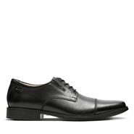
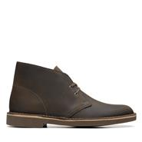 | BUSHACRE 2 | Beeswax | Mens | 26082286 | 0 | 0 | 2 | 0 | 0 | 3 | 836 | 310 | 11 | 123 | 86 | 531 | 966 | 744 | 309 | 765 | 450 | 0 | 290 | 347 | 5,773 |  |  |  |  |  |  |  |  |  |  |  |  |  |  |  |  |  |  |  |  | $100.00 | $42.75 | 0
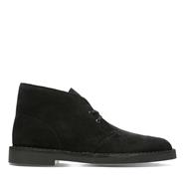 | BUSHACRE 2 | Black Sde | Mens | 26082288 | 0 | 0 | 0 | 0 | 0 | 0 | 37 | 50 | 142 | 76 | 291 | 152 | 155 | 168 | 152 | 79 | 80 | 42 | 52 | 29 | 1,505 |  |  |  |  |  |  |  |  |  |  |  |  |  |  |  |  |  |  |  |  | $100.00 | $42.75 | 0
 | Tilden Cap | Black Leather | Mens | 26110309 | 0 | 0 | 0 | 0 | 0 | 0 | 258 | 217 | 528 | 999 | 616 | 603 | 0 | 749 | 459 | 209 | 316 | 365 | 101 | 82 | 5,502 |  |  |  |  |  |  |  |  |  |  |  |  |  |  |  |  |  |  |  |  | $95.00 | $40.25 | 0
 | Tilden Walk | Black Leather | Mens | 26110310 | 0 | 0 | 0 | 0 | 0 | 0 | 255 | 125 | 305 | 206 | 479 | 164 | 325 | 303 | 536 | 3 | 0 | 3 | 26 | 23 | 2,753 |  |  |  |  |  |  |  |  |  |  |  |  |  |  |  |  |  |  |  |  | $95.00 | $40.25 | 0
 | Tilden Free | Black Leather | Mens | 26110312 | 0 | 0 | 0 | 0 | 0 | 0 | 108 | 53 | 112 | 6 | 36 | 0 | 73 | 95 | 122 | 39 | 203 | 144 | 30 | 48 | 1,069 |  |  |  |  |  |  |  |  |  |  |  |  |  |  |  |  |  |  |  |  | $95.00 | $40.25 | 0
 | Cotrell Step | Brown Oily | Mens | 26119614 | 0 | 0 | 0 | 0 | 0 | 0 | 0 | 45 | 25 | 0 | 123 | 0 | 52 | 46 | 0 | 19 | 66 | 32 | 59 | 5 | 472 |  |  |  |  |  |  |  |  |  |  |  |  |  |  |  |  |  |  |  |  | $90.00 | $38.00 | 0
 | Cotrell Step | Black Oily Lea | Mens | 26119615 | 0 | 0 | 0 | 0 | 0 | 0 | 205 | 58 | 218 | 2 | 0 | 117 | 263 | 682 | 0 | 0 | 0 | 231 | 150 | 9 | 1,935 |  |  |  |  |  |  |  |  |  |  |  |  |  |  |  |  |  |  |  |  | $90.00 | $38.00 | 0
 | Cotrell Walk | Tobacco | Mens | 26119616 | 0 | 0 | 0 | 0 | 0 | 0 | 3 | 11 | 49 | 61 | 3 | 54 | 100 | 80 | 327 | 0 | 0 | 6 | 12 | 0 | 706 |  |  |  |  |  |  |  |  |  |  |  |  |  |  |  |  |  |  |  |  | $90.00 | $38.00 | 0
 | Cotrell Walk | Black Oily Lea | Mens | 26119725 | 0 | 0 | 0 | 0 | 0 | 0 | 65 | 44 | 0 | 10 | 29 | 0 | 0 | 0 | 0 | 0 | 24 | 0 | 5 | 0 | 177 |  |  |  |  |  |  |  |  |  |  |  |  |  |  |  |  |  |  |  |  | $90.00 | $38.00 | 0
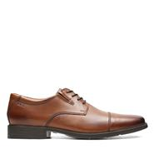
 | Cotrell Edge | Brown Oily | Mens | 26119803 | 0 | 0 | 0 | 0 | 0 | 0 | 6 | 11 | 10 | 0 | 19 | 3 | 0 | 27 | 28 | 0 | 0 | 11 | 8 | 8 | 131 |  |  |  |  |  |  |  |  |  |  |  |  |  |  |  |  |  |  |  |  | $90.00 | $38.00 | 0
 | Tilden Walk | Dark Tan Lea | Mens | 26130095 | 0 | 0 | 0 | 0 | 0 | 0 | 73 | 52 | 76 | 157 | 210 | 0 | 0 | 2 | 27 | 28 | 0 | 130 | 0 | 0 | 755 |  |  |  |  |  |  |  |  |  |  |  |  |  |  |  |  |  |  |  |  | $95.00 | $40.25 | 0
 | Tilden Cap | Dark Tan Lea | Mens | 26130096 | 0 | 0 | 0 | 0 | 0 | 0 | 73 | 243 | 134 | 183 | 231 | 58 | 149 | 0 | 270 | 0 | 62 | 37 | 29 | 0 | 1,469 |  |  |  |  |  |  |  |  |  |  |  |  |  |  |  |  |  |  |  |  | $95.00 | $40.25 | 0
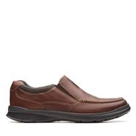
 | Tilden Plain | Dark Tan Lea | Mens | 26130097 | 0 | 0 | 0 | 0 | 0 | 0 | 22 | 23 | 46 | 49 | 69 | 65 | 81 | 90 | 61 | 35 | 25 | 8 | 17 | 7 | 598 |  |  |  |  |  |  |  |  |  |  |  |  |  |  |  |  |  |  |  |  | $95.00 | $40.25 | 0
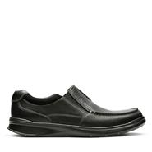
 | Tilden Free | Dark Tan Lea | Mens | 26130098 | 0 | 0 | 0 | 0 | 0 | 0 | 63 | 70 | 59 | 44 | 30 | 64 | 381 | 71 | 74 | 39 | 53 | 27 | 0 | 6 | 981 |  |  |  |  |  |  |  |  |  |  |  |  |  |  |  |  |  |  |  |  | $95.00 | $40.25 | 0
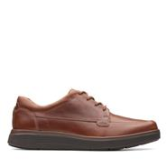
 | Cotrell Free | Tobacco Leather | Mens | 26131566 | 0 | 0 | 0 | 0 | 0 | 0 | 34 | 24 | 125 | 197 | 56 | 116 | 0 | 191 | 51 | 0 | 37 | 44 | 16 | 0 | 891 |  |  |  |  |  |  |  |  |  |  |  |  |  |  |  |  |  |  |  |  | $90.00 | $38.00 | 0
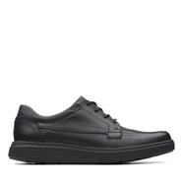
 | Cotrell Free | Black Oily Lea | Mens | 26131593 | 0 | 0 | 0 | 0 | 0 | 0 | 84 | 16 | 31 | 35 | 65 | 269 | 0 | 223 | 0 | 0 | 60 | 42 | 45 | 0 | 870 |  |  |  |  |  |  |  |  |  |  |  |  |  |  |  |  |  |  |  |  | $90.00 | $38.00 | 0
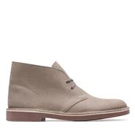
 | Un Abode Ease | Dark Tan Lea | Mens | 26136982 | 0 | 0 | 0 | 0 | 0 | 0 | 1 | 5 | 5 | 11 | 2 | 5 | 2 | 2 | 3 | 3 | 3 | 6 | 7 | 0 | 55 |  |  |  |  |  |  |  |  |  |  |  |  |  |  |  |  |  |  |  |  | $140.00 | $67.75 | 0
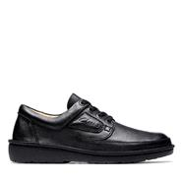
 | Un Abode Ease | Black Leather | Mens | 26136984 | 0 | 0 | 0 | 0 | 0 | 0 | 1 | 2 | 4 | 3 | 6 | 6 | 8 | 5 | 2 | 1 | 8 | 3 | 0 | 0 | 49 |  |  |  |  |  |  |  |  |  |  |  |  |  |  |  |  |  |  |  |  | $140.00 | $67.75 | 0
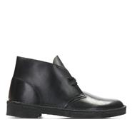
 | BUSHACRE 2 | Taupe Distressed | Mens | 26141154 | 0 | 0 | 0 | 0 | 0 | 0 | 25 | 50 | 2 | 0 | 0 | 159 | 23 | 48 | 17 | 9 | 31 | 34 | 68 | 11 | 477 |  |  |  |  |  |  |  |  |  |  |  |  |  |  |  |  |  |  |  |  | $100.00 | $42.75 | 0
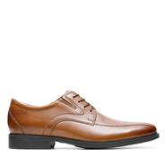
 | NATURE II | Black | Mens | 26142039 | 0 | 0 | 0 | 0 | 0 | 0 | 21 | 5 | 9 | 14 | 22 | 0 | 9 | 11 | 33 | 13 | 12 | 6 | 0 | 0 | 155 |  |  |  |  |  |  |  |  |  |  |  |  |  |  |  |  |  |  |  |  | $150.00 | $72.50 | 0
 | Desert Boot | Black Polished | Mens | 26144225 | 0 | 0 | 0 | 0 | 0 | 0 | 7 | 9 | 0 | 15 | 10 | 7 | 0 | 2 | 3 | 0 | 0 | 0 | 0 | 0 | 53 |  |  |  |  |  |  |  |  |  |  |  |  |  |  |  |  |  |  |  |  | $150.00 | $75.00 | 0
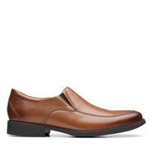
 | Whiddon Pace | Dark Tan Lea | Mens | 26152908 | 0 | 0 | 0 | 0 | 0 | 0 | 0 | 0 | 0 | 0 | 0 | 0 | 0 | 0 | 0 | 0 | 0 | 0 | 26 | 6 | 32 |  |  |  |  |  |  |  |  |  |  |  |  |  |  |  |  |  |  |  |  | $95.00 | $40.25 | 0
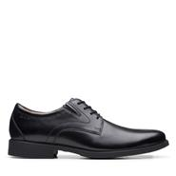
 | Whiddon Cap | Dark Tan Lea | Mens | 26152913 | 0 | 0 | 0 | 0 | 0 | 0 | 0 | 0 | 68 | 17 | 58 | 0 | 16 | 0 | 0 | 0 | 0 | 0 | 0 | 2 | 161 |  |  |  |  |  |  |  |  |  |  |  |  |  |  |  |  |  |  |  |  | $95.00 | $40.25 | 0
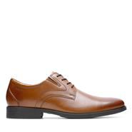
 | Whiddon Step | Dark Tan Lea | Mens | 26152917 | 0 | 0 | 0 | 0 | 0 | 0 | 0 | 0 | 0 | 94 | 0 | 49 | 137 | 44 | 0 | 33 | 167 | 116 | 4 | 9 | 653 |  |  |  |  |  |  |  |  |  |  |  |  |  |  |  |  |  |  |  |  | $95.00 | $40.25 | 0
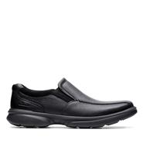
 | Whiddon Plain | Black Leather | Mens | 26152918 | 0 | 0 | 0 | 0 | 0 | 0 | 0 | 0 | 0 | 0 | 57 | 9 | 0 | 0 | 6 | 0 | 0 | 0 | 3 | 0 | 75 |  |  |  |  |  |  |  |  |  |  |  |  |  |  |  |  |  |  |  |  | $95.00 | $40.25 | 0
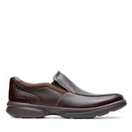
 | Whiddon Plain | Dark Tan Lea | Mens | 26152919 | 0 | 0 | 0 | 0 | 0 | 0 | 8 | 22 | 186 | 238 | 216 | 199 | 311 | 114 | 169 | 0 | 102 | 0 | 3 | 3 | 1,571 |  |  |  |  |  |  |  |  |  |  |  |  |  |  |  |  |  |  |  |  | $95.00 | $40.25 | 0
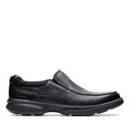
 | Bradley Step | Blk Tumbled Lea | Mens | 26153157 | 0 | 0 | 0 | 0 | 0 | 0 | 0 | 0 | 74 | 53 | 10 | 72 | 111 | 111 | 95 | 35 | 46 | 73 | 0 | 0 | 680 |  |  |  |  |  |  |  |  |  |  |  |  |  |  |  |  |  |  |  |  | $90.00 | $38.00 | 0
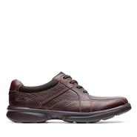
 | Bradley Step | Brown Tumb | Mens | 26153159 | 0 | 0 | 0 | 0 | 0 | 0 | 51 | 0 | 232 | 320 | 411 | 241 | 408 | 487 | 448 | 145 | 512 | 308 | 0 | 0 | 3,563 |  |  |  |  |  |  |  |  |  |  |  |  |  |  |  |  |  |  |  |  | $90.00 | $38.00 | 0
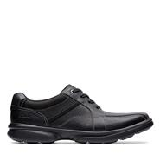
 | Bradley Free | Blk Tumbled Lea | Mens | 26153160 | 0 | 0 | 0 | 0 | 0 | 0 | 82 | 1 | 165 | 82 | 99 | 131 | 185 | 75 | 97 | 118 | 153 | 45 | 4 | 0 | 1,237 |  |  |  |  |  |  |  |  |  |  |  |  |  |  |  |  |  |  |  |  | $90.00 | $38.00 | 0
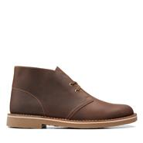
 | Bradley Walk | Brown Tumb | Mens | 26153326 | 0 | 0 | 0 | 0 | 0 | 0 | 19 | 0 | 50 | 69 | 6 | 39 | 143 | 1 | 7 | 0 | 9 | 14 | 0 | 0 | 357 |  |  |  |  |  |  |  |  |  |  |  |  |  |  |  |  |  |  |  |  | $90.00 | $38.00 | 0
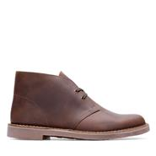
 | Bradley Walk | Blk Tumbled Lea | Mens | 26153332 | 0 | 0 | 0 | 0 | 0 | 0 | 0 | 0 | 0 | 0 | 0 | 0 | 30 | 0 | 0 | 0 | 0 | 1 | 0 | 0 | 31 |  |  |  |  |  |  |  |  |  |  |  |  |  |  |  |  |  |  |  |  | $90.00 | $38.00 | 0
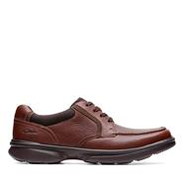
 | Bushacre 3 | Beeswax | Mens | 26153528 | 0 | 0 | 0 | 0 | 0 | 0 | 10 | 56 | 32 | 117 | 128 | 282 | 22 | 186 | 446 | 45 | 0 | 64 | 0 | 0 | 1,388 |  |  |  |  |  |  |  |  |  |  |  |  |  |  |  |  |  |  |  |  | $110.00 | $47.50 | 0
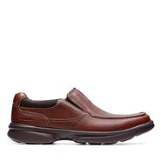
 | Bushacre 3 | Dark Brown Lea | Mens | 26153532 | 0 | 0 | 0 | 0 | 0 | 0 | 0 | 0 | 0 | 0 | 0 | 1 | 0 | 3 | 0 | 1 | 0 | 3 | 55 | 1 | 64 |  |  |  |  |  |  |  |  |  |  |  |  |  |  |  |  |  |  |  |  | $110.00 | $47.50 | 0
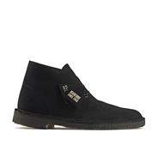
 | Bradley Vibe | Tan Tumbled | Mens | 26154364 | 0 | 0 | 0 | 0 | 0 | 0 | 0 | 0 | 152 | 190 | 452 | 393 | 576 | 312 | 621 | 61 | 433 | 219 | 0 | 0 | 3,409 |  |  |  |  |  |  |  |  |  |  |  |  |  |  |  |  |  |  |  |  | $90.00 | $38.00 | 0
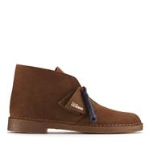
 | Bradley Free | Tan Tumbled | Mens | 26154366 | 0 | 0 | 0 | 0 | 0 | 0 | 24 | 4 | 46 | 0 | 47 | 104 | 125 | 16 | 43 | 8 | 7 | 64 | 0 | 0 | 488 |  |  |  |  |  |  |  |  |  |  |  |  |  |  |  |  |  |  |  |  | $90.00 | $38.00 | 0
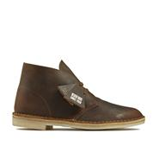
 | Desert Boot | Black Sde | Mens | 26155480 | 0 | 0 | 0 | 0 | 0 | 0 | 46 | 250 | 189 | 149 | 51 | 49 | 1 | 1 | 0 | 0 | 0 | 0 | 80 | 48 | 864 |  |  |  |  |  |  |  |  |  |  |  |  |  |  |  |  |  |  |  |  | $150.00 | $75.00 | 0
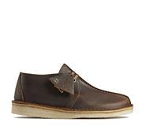
 | Desert Boot | Cola Suede | Mens | 26155481 | 0 | 0 | 0 | 0 | 0 | 0 | 10 | 7 | 25 | 1 | 26 | 2 | 2 | 11 | 5 | 4 | 23 | 4 | 0 | 0 | 120 |  |  |  |  |  |  |  |  |  |  |  |  |  |  |  |  |  |  |  |  | $150.00 | $75.00 | 0
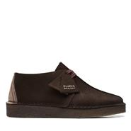
 | Desert Boot | Beeswax | Mens | 26155484 | 0 | 0 | 0 | 0 | 0 | 0 | 8 | 32 | 89 | 0 | 0 | 0 | 0 | 0 | 13 | 195 | 11 | 44 | 160 | 145 | 697 |  |  |  |  |  |  |  |  |  |  |  |  |  |  |  |  |  |  |  |  | $150.00 | $75.00 | 0
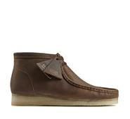
 | Desert Trek | Beeswax | Mens | 26155487 | 0 | 0 | 0 | 0 | 0 | 0 | 37 | 100 | 243 | 173 | 333 | 74 | 20 | 86 | 7 | 0 | 0 | 0 | 0 | 0 | 1,073 |  |  |  |  |  |  |  |  |  |  |  |  |  |  |  |  |  |  |  |  | $150.00 | $71.50 | 0
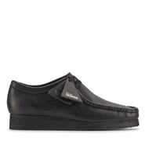
 | Desert Trek | Dark Brown | Mens | 26155488 | 0 | 0 | 0 | 0 | 0 | 0 | 124 | 167 | 185 | 185 | 176 | 189 | 220 | 185 | 158 | 0 | 33 | 15 | 0 | 0 | 1,637 |  |  |  |  |  |  |  |  |  |  |  |  |  |  |  |  |  |  |  |  | $150.00 | $71.50 | 0
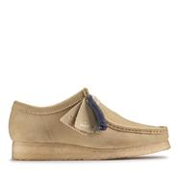
 | Wallabee Boot | Beeswax | Mens | 26155513 | 0 | 0 | 0 | 0 | 0 | 0 | 135 | 285 | 485 | 317 | 289 | 312 | 186 | 204 | 0 | 0 | 0 | 0 | 0 | 0 | 2,213 |  |  |  |  |  |  |  |  |  |  |  |  |  |  |  |  |  |  |  |  | $160.00 | $80.00 | 0
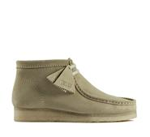
 | Wallabee | Black Leather | Mens | 26155514 | 0 | 0 | 0 | 0 | 0 | 0 | 31 | 52 | 49 | 54 | 26 | 39 | 0 | 0 | 3 | 0 | 12 | 0 | 35 | 51 | 352 |  |  |  |  |  |  |  |  |  |  |  |  |  |  |  |  |  |  |  |  | $150.00 | $75.00 | 0
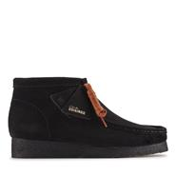
 | Wallabee | Maple Suede | Mens | 26155515 | 0 | 0 | 0 | 0 | 0 | 0 | 0 | 0 | 0 | 0 | 0 | 0 | 0 | 0 | 10 | 2 | 17 | 111 | 20 | 37 | 197 |  |  |  |  |  |  |  |  |  |  |  |  |  |  |  |  |  |  |  |  | $150.00 | $75.00 | 0
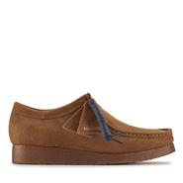
 | Wallabee Boot | Maple Suede | Mens | 26155516 | 0 | 0 | 0 | 0 | 0 | 0 | 17 | 133 | 154 | 216 | 44 | 6 | 80 | 0 | 4 | 194 | 0 | 9 | 2 | 0 | 859 |  |  |  |  |  |  |  |  |  |  |  |  |  |  |  |  |  |  |  |  | $160.00 | $80.00 | 0
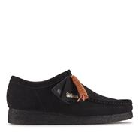
 | Wallabee Boot | Black Sde | Mens | 26155517 | 0 | 0 | 0 | 0 | 0 | 0 | 98 | 188 | 193 | 186 | 191 | 190 | 71 | 46 | 83 | 49 | 16 | 38 | 1 | 0 | 1,350 |  |  |  |  |  |  |  |  |  |  |  |  |  |  |  |  |  |  |  |  | $160.00 | $80.00 | 0
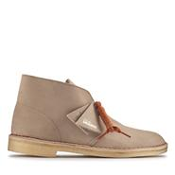
 | Wallabee | Cola | Mens | 26155518 | 0 | 0 | 0 | 0 | 0 | 0 | 0 | 10 | 23 | 28 | 27 | 54 | 68 | 81 | 103 | 69 | 101 | 17 | 11 | 12 | 604 |  |  |  |  |  |  |  |  |  |  |  |  |  |  |  |  |  |  |  |  | $150.00 | $75.00 | 0
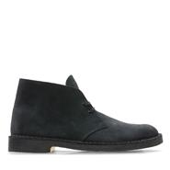
 | Wallabee | Black Sde | Mens | 26155519 | 0 | 0 | 0 | 0 | 0 | 0 | 186 | 547 | 500 | 549 | 560 | 664 | 297 | 275 | 208 | 0 | 26 | 17 | 0 | 23 | 3,852 |  |  |  |  |  |  |  |  |  |  |  |  |  |  |  |  |  |  |  |  | $150.00 | $75.00 | 0
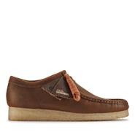
 | Desert Boot | Sand Suede | Mens | 26155527 | 0 | 0 | 0 | 0 | 0 | 0 | 24 | 23 | 42 | 39 | 20 | 36 | 17 | 1 | 3 | 5 | 1 | 10 | 86 | 51 | 358 |  |  |  |  |  |  |  |  |  |  |  |  |  |  |  |  |  |  |  |  | $150.00 | $75.00 | 0
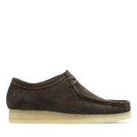
 | Desert Boot | Navy Suede | Mens | 26155571 | 0 | 0 | 0 | 0 | 0 | 0 | 26 | 37 | 55 | 27 | 54 | 19 | 54 | 0 | 11 | 0 | 2 | 0 | 0 | 0 | 285 |  |  |  |  |  |  |  |  |  |  |  |  |  |  |  |  |  |  |  |  | $150.00 | $75.00 | 0
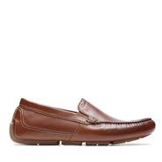
 | Wallabee | Beeswax | Mens | 26156605 | 0 | 0 | 0 | 0 | 0 | 0 | 282 | 325 | 511 | 482 | 572 | 536 | 589 | 466 | 401 | 12 | 202 | 90 | 0 | 0 | 4,468 |  |  |  |  |  |  |  |  |  |  |  |  |  |  |  |  |  |  |  |  | $150.00 | $75.00 | 0
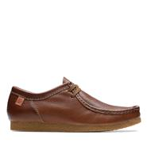
 | Wallabee | Dark Brown Suede | Mens | 26156606 | 0 | 0 | 0 | 0 | 0 | 0 | 148 | 289 | 278 | 267 | 309 | 272 | 147 | 154 | 150 | 0 | 48 | 23 | 10 | 3 | 2,098 |  |  |  |  |  |  |  |  |  |  |  |  |  |  |  |  |  |  |  |  | $150.00 | $75.00 | 0
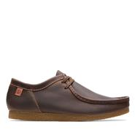
 | Markman Plain | Dark Tan Lea | Mens | 26158703 | 0 | 0 | 0 | 0 | 0 | 0 | 0 | 0 | 0 | 41 | 62 | 0 | 108 | 76 | 66 | 33 | 50 | 3 | 0 | 0 | 439 |  |  |  |  |  |  |  |  |  |  |  |  |  |  |  |  |  |  |  |  | $100.00 | $42.75 | 0
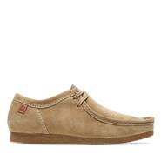
 | Shacre II Run | Tan Tumbled | Mens | 26159431 | 0 | 0 | 0 | 0 | 0 | 0 | 0 | 13 | 112 | 195 | 149 | 152 | 218 | 275 | 179 | 88 | 229 | 122 | 0 | 0 | 1,732 |  |  |  |  |  |  |  |  |  |  |  |  |  |  |  |  |  |  |  |  | $100.00 | $42.75 | 0
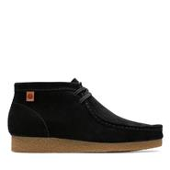
 | Shacre II Run | Beeswax | Mens | 26159432 | 0 | 0 | 0 | 0 | 0 | 0 | 0 | 82 | 122 | 97 | 0 | 0 | 26 | 0 | 0 | 0 | 0 | 149 | 0 | 0 | 476 |  |  |  |  |  |  |  |  |  |  |  |  |  |  |  |  |  |  |  |  | $100.00 | $42.75 | 0
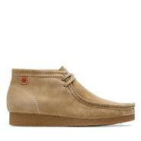
 | Shacre II Run | Dark Sand Suede | Mens | 26159434 | 0 | 0 | 0 | 0 | 0 | 0 | 1 | 27 | 61 | 58 | 196 | 104 | 66 | 100 | 123 | 77 | 41 | 46 | 0 | 0 | 900 |  |  |  |  |  |  |  |  |  |  |  |  |  |  |  |  |  |  |  |  | $100.00 | $42.75 | 0
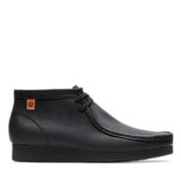
 | Shacre Boot | Black Sde | Mens | 26159437 | 0 | 0 | 0 | 0 | 0 | 0 | 23 | 40 | 55 | 0 | 1 | 0 | 0 | 0 | 2 | 0 | 6 | 7 | 0 | 0 | 134 |  |  |  |  |  |  |  |  |  |  |  |  |  |  |  |  |  |  |  |  | $110.00 | $47.50 | 0
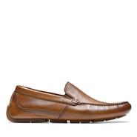
 | Shacre Boot | Dark Sand Suede | Mens | 26159438 | 0 | 0 | 0 | 0 | 0 | 0 | 0 | 0 | 15 | 9 | 0 | 28 | 37 | 0 | 43 | 49 | 67 | 57 | 0 | 0 | 305 |  |  |  |  |  |  |  |  |  |  |  |  |  |  |  |  |  |  |  |  | $110.00 | $47.50 | 0
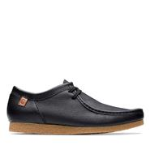
 | Shacre Boot | Black Leather | Mens | 26159440 | 0 | 0 | 0 | 0 | 0 | 0 | 66 | 0 | 0 | 0 | 0 | 0 | 0 | 0 | 0 | 17 | 0 | 0 | 0 | 0 | 83 |  |  |  |  |  |  |  |  |  |  |  |  |  |  |  |  |  |  |  |  | $110.00 | $47.50 | 0
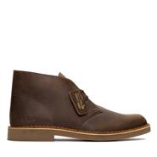
 | Markman Plain | Tan Leather | Mens | 26163544 | 0 | 0 | 0 | 0 | 0 | 0 | 20 | 7 | 9 | 0 | 0 | 0 | 0 | 0 | 0 | 0 | 0 | 3 | 0 | 0 | 39 |  |  |  |  |  |  |  |  |  |  |  |  |  |  |  |  |  |  |  |  | $100.00 | $42.75 | 0
 | Shacre II Run | Black Leather | Mens | 26163598 | 0 | 0 | 0 | 0 | 0 | 0 | 0 | 0 | 0 | 28 | 0 | 0 | 0 | 0 | 0 | 0 | 0 | 0 | 0 | 0 | 28 |  |  |  |  |  |  |  |  |  |  |  |  |  |  |  |  |  |  |  |  | $100.00 | $42.75 | 0
 | Desert Bt Evo | Beeswax Leather | Mens | 26166785 | 0 | 0 | 0 | 0 | 0 | 0 | 26 | 8 | 55 | 32 | 99 | 59 | 66 | 64 | 52 | 18 | 35 | 19 | 0 | 0 | 533 |  |  |  |  |  |  |  |  |  |  |  |  |  |  |  |  |  |  |  |  | $140.00 | $67.75 | 0
 | CraftArloLimit | Black Leather | Mens | 26171452 | 0 | 0 | 0 | 0 | 0 | 0 | 0 | 0 | 0 | 9 | 15 | 9 | 16 | 21 | 26 | 10 | 18 | 14 | 0 | 0 | 138 |  |  |  |  |  |  |  |  |  |  |  |  |  |  |  |  |  |  |  |  | $130.00 | $63.00 | 0
 | Coal London | Maple Suede | Mens | 26171491 | 0 | 0 | 0 | 0 | 0 | 0 | 7 | 28 | 20 | 25 | 0 | 0 | 0 | 0 | 0 | 3 | 3 | 8 | 0 | 0 | 94 |  |  |  |  |  |  |  |  |  |  |  |  |  |  |  |  |  |  |  |  | $150.00 | $75.00 | 0
 | Coal London | Beeswax | Mens | 26171493 | 0 | 0 | 0 | 0 | 0 | 0 | 51 | 70 | 71 | 47 | 65 | 33 | 45 | 0 | 0 | 0 | 0 | 1 | 0 | 0 | 383 |  |  |  |  |  |  |  |  |  |  |  |  |  |  |  |  |  |  |  |  | $150.00 | $75.00 | 0
 | Gessler Lace | Black Leather | Mens | 26171539 | 0 | 0 | 0 | 0 | 0 | 0 | 17 | 9 | 227 | 415 | 645 | 621 | 867 | 887 | 833 | 317 | 522 | 318 | 0 | 0 | 5,678 |  |  |  |  |  |  |  |  |  |  |  |  |  |  |  |  |  |  |  |  | $95.00 | $40.25 | 0
 | Gessler Lace | Dark Tan Lea | Mens | 26171541 | 0 | 0 | 0 | 0 | 0 | 0 | 40 | 27 | 335 | 394 | 639 | 614 | 756 | 687 | 676 | 295 | 524 | 258 | 19 | 1 | 5,265 |  |  |  |  |  |  |  |  |  |  |  |  |  |  |  |  |  |  |  |  | $95.00 | $40.25 | 0
 | Coal London | Black Sde | Mens | 26171744 | 0 | 0 | 0 | 0 | 0 | 0 | 92 | 115 | 37 | 53 | 62 | 34 | 52 | 53 | 75 | 11 | 26 | 1 | 0 | 0 | 611 |  |  |  |  |  |  |  |  |  |  |  |  |  |  |  |  |  |  |  |  | $150.00 | $75.00 | 0
 | Gessler Step | Black Leather | Mens | 26171774 | 0 | 0 | 0 | 0 | 0 | 0 | 0 | 13 | 302 | 350 | 525 | 506 | 646 | 675 | 648 | 230 | 482 | 335 | 0 | 0 | 4,712 |  |  |  |  |  |  |  |  |  |  |  |  |  |  |  |  |  |  |  |  | $95.00 | $40.25 | 0
 | Gessler Step | Dark Tan Lea | Mens | 26171776 | 0 | 0 | 0 | 0 | 0 | 0 | 1 | 17 | 33 | 25 | 73 | 31 | 19 | 34 | 32 | 15 | 72 | 44 | 28 | 3 | 427 |  |  |  |  |  |  |  |  |  |  |  |  |  |  |  |  |  |  |  |  | $95.00 | $40.25 | 0
 | Torhill Lo | Black Sde | Mens | 26172019 | 0 | 0 | 0 | 0 | 0 | 0 | 0 | 9 | 44 | 56 | 75 | 85 | 108 | 122 | 131 | 22 | 96 | 29 | 0 | 0 | 777 |  |  |  |  |  |  |  |  |  |  |  |  |  |  |  |  |  |  |  |  | $120.00 | $58.25 | 0
 | WallabeeLoafer | Black Sde | Mens | 26172503 | 0 | 0 | 0 | 0 | 0 | 0 | 38 | 36 | 50 | 41 | 43 | 54 | 51 | 41 | 34 | 17 | 25 | 19 | 0 | 0 | 449 |  |  |  |  |  |  |  |  |  |  |  |  |  |  |  |  |  |  |  |  | $150.00 | $75.00 | 0
 | WallabeeLoafer | Maple Suede | Mens | 26172504 | 0 | 0 | 0 | 0 | 0 | 0 | 17 | 18 | 7 | 5 | 1 | 13 | 6 | 11 | 12 | 4 | 9 | 1 | 0 | 0 | 104 |  |  |  |  |  |  |  |  |  |  |  |  |  |  |  |  |  |  |  |  | $150.00 | $75.00 | 0
 | WallabeeEVO | Beeswax | Mens | 26172819 | 0 | 0 | 0 | 0 | 0 | 0 | 39 | 35 | 47 | 32 | 48 | 47 | 43 | 51 | 16 | 2 | 0 | 0 | 0 | 0 | 360 |  |  |  |  |  |  |  |  |  |  |  |  |  |  |  |  |  |  |  |  | $110.00 | $53.50 | 0
 | WallabeeEVO | Dark Sand Suede | Mens | 26172821 | 0 | 0 | 0 | 0 | 0 | 0 | 19 | 55 | 0 | 44 | 0 | 25 | 0 | 38 | 0 | 3 | 3 | 0 | 0 | 0 | 187 |  |  |  |  |  |  |  |  |  |  |  |  |  |  |  |  |  |  |  |  | $110.00 | $53.50 | 0
 | WallabeeEVO BT | Beeswax | Mens | 26172822 | 0 | 0 | 0 | 0 | 0 | 0 | 15 | 2 | 36 | 35 | 61 | 38 | 46 | 73 | 85 | 6 | 74 | 25 | 0 | 0 | 496 |  |  |  |  |  |  |  |  |  |  |  |  |  |  |  |  |  |  |  |  | $120.00 | $58.25 | 0
 | WallabeeEVO BT | Black Sde | Mens | 26172823 | 0 | 0 | 0 | 0 | 0 | 0 | 0 | 0 | 9 | 25 | 26 | 35 | 39 | 28 | 34 | 0 | 30 | 20 | 0 | 0 | 246 |  |  |  |  |  |  |  |  |  |  |  |  |  |  |  |  |  |  |  |  | $120.00 | $58.25 | 0
 | WallabeeEVO BT | Dark Sand Suede | Mens | 26172824 | 0 | 0 | 0 | 0 | 0 | 0 | 13 | 0 | 72 | 90 | 121 | 114 | 116 | 117 | 206 | 25 | 147 | 84 | 0 | 0 | 1,105 |  |  |  |  |  |  |  |  |  |  |  |  |  |  |  |  |  |  |  |  | $120.00 | $58.25 | 0
 | Torhill Lo | Dark Sand Suede | Mens | 26173471 | 0 | 0 | 0 | 0 | 0 | 0 | 2 | 5 | 44 | 73 | 84 | 109 | 127 | 141 | 160 | 50 | 124 | 91 | 0 | 0 | 1,010 |  |  |  |  |  |  |  |  |  |  |  |  |  |  |  |  |  |  |  |  | $120.00 | $58.25 | 0
 | Clarkdale Easy | Beeswax Leather | Mens | 26173532 | 0 | 0 | 0 | 0 | 0 | 0 | 5 | 7 | 21 | 11 | 36 | 23 | 21 | 8 | 13 | 2 | 15 | 2 | 0 | 0 | 164 |  |  |  |  |  |  |  |  |  |  |  |  |  |  |  |  |  |  |  |  | $160.00 | $77.25 | 0
 | Clarkdale Easy | Dark Brown Suede | Mens | 26173536 | 0 | 0 | 0 | 0 | 0 | 0 | 0 | 4 | 13 | 22 | 16 | 18 | 25 | 0 | 13 | 20 | 18 | 20 | 0 | 0 | 169 |  |  |  |  |  |  |  |  |  |  |  |  |  |  |  |  |  |  |  |  | $160.00 | $77.25 | 0
 | Torhill Hi | Dark Sand Suede | Mens | 26173663 | 0 | 10 | 8 | 7 | 5 | 5 | 0 | 0 | 0 | 28 | 63 | 41 | 59 | 96 | 152 | 0 | 127 | 37 | 0 | 0 | 638 |  |  |  |  |  |  |  |  |  |  |  |  |  |  |  |  |  |  |  |  | $130.00 | $63.00 | 0
 | Torhill Hi | Black Sde | Mens | 26173664 | 10 | 9 | 22 | 5 | 1 | 0 | 0 | 0 | 22 | 31 | 73 | 80 | 144 | 224 | 261 | 0 | 225 | 96 | 0 | 0 | 1,203 |  |  |  |  |  |  |  |  |  |  |  |  |  |  |  |  |  |  |  |  | $130.00 | $63.00 | 0
 | Whiddon Cap | Mahogany Leather | Mens | 26174471 | 0 | 0 | 0 | 0 | 0 | 0 | 3 | 10 | 0 | 1 | 0 | 0 | 15 | 0 | 29 | 2 | 0 | 6 | 0 | 0 | 66 |  |  |  |  |  |  |  |  |  |  |  |  |  |  |  |  |  |  |  |  | $95.00 | $40.25 | 0
 | Whiddon Apron | Black Tumbled | Mens | 26174569 | 0 | 0 | 0 | 0 | 0 | 0 | 0 | 0 | 86 | 86 | 135 | 145 | 243 | 180 | 254 | 124 | 167 | 115 | 0 | 2 | 1,537 |  |  |  |  |  |  |  |  |  |  |  |  |  |  |  |  |  |  |  |  | $95.00 | $40.25 | 0
 | Oakpark Lace | Black Sde | Mens | 26174603 | 0 | 0 | 0 | 0 | 0 | 0 | 3 | 16 | 11 | 4 | 1 | 0 | 9 | 30 | 89 | 13 | 12 | 3 | 0 | 0 | 191 |  |  |  |  |  |  |  |  |  |  |  |  |  |  |  |  |  |  |  |  | $100.00 | $42.75 | 0
 | Walpath Step | Dark Brown Lea | Mens | 26174616 | 0 | 0 | 0 | 0 | 0 | 0 | 0 | 0 | 22 | 12 | 40 | 36 | 74 | 29 | 31 | 10 | 40 | 10 | 0 | 0 | 304 |  |  |  |  |  |  |  |  |  |  |  |  |  |  |  |  |  |  |  |  | $110.00 | $47.50 | 0
 | Whiddon Apron | Dark Brn Tumbled | Mens | 26174634 | 0 | 0 | 0 | 0 | 0 | 0 | 55 | 1 | 57 | 39 | 179 | 77 | 141 | 29 | 76 | 39 | 60 | 39 | 2 | 0 | 794 |  |  |  |  |  |  |  |  |  |  |  |  |  |  |  |  |  |  |  |  | $95.00 | $40.25 | 0
 | WallabeeEVO BT | Grey Suede | Mens | 26174938 | 0 | 0 | 0 | 0 | 0 | 0 | 0 | 0 | 52 | 3 | 66 | 37 | 89 | 116 | 154 | 6 | 156 | 105 | 0 | 0 | 784 |  |  |  |  |  |  |  |  |  |  |  |  |  |  |  |  |  |  |  |  | $120.00 | $58.25 | 0
 | Wallabee Boat | Cola Suede | Mens | 26175755 | 0 | 0 | 0 | 0 | 0 | 0 | 9 | 1 | 9 | 7 | 17 | 23 | 23 | 21 | 16 | 2 | 6 | 20 | 0 | 0 | 154 |  |  |  |  |  |  |  |  |  |  |  |  |  |  |  |  |  |  |  |  | $190.00 | $95.00 | 0
 | Torhill Lo | Navy Leather | Mens | 26176216 | 0 | 0 | 0 | 0 | 0 | 0 | 0 | 0 | 0 | 9 | 0 | 0 | 0 | 25 | 2 | 14 | 22 | 15 | 0 | 0 | 87 |  |  |  |  |  |  |  |  |  |  |  |  |  |  |  |  |  |  |  |  | $120.00 | $58.25 | 0
 | Mapstone Lace | Black Leather | Mens | 26176885 | 0 | 0 | 0 | 0 | 0 | 0 | 38 | 40 | 81 | 122 | 203 | 155 | 161 | 103 | 126 | 29 | 123 | 71 | 0 | 0 | 1,252 |  |  |  |  |  |  |  |  |  |  |  |  |  |  |  |  |  |  |  |  | $120.00 | $58.25 | 0
 | Mapstone Lace | Mahogany Leather | Mens | 26176886 | 0 | 0 | 0 | 0 | 0 | 0 | 23 | 28 | 42 | 72 | 103 | 50 | 75 | 36 | 43 | 0 | 36 | 50 | 0 | 0 | 558 |  |  |  |  |  |  |  |  |  |  |  |  |  |  |  |  |  |  |  |  | $120.00 | $58.25 | 0
 | Mapstone Lace | Navy Leather | Mens | 26176887 | 0 | 0 | 0 | 0 | 0 | 0 | 79 | 31 | 15 | 27 | 10 | 0 | 0 | 0 | 0 | 1 | 0 | 43 | 0 | 0 | 206 |  |  |  |  |  |  |  |  |  |  |  |  |  |  |  |  |  |  |  |  | $120.00 | $58.25 | 0
 | Mapstone Lace | Tan Leather | Mens | 26176888 | 0 | 0 | 0 | 0 | 0 | 0 | 29 | 43 | 92 | 120 | 187 | 93 | 117 | 174 | 161 | 0 | 30 | 0 | 0 | 0 | 1,046 |  |  |  |  |  |  |  |  |  |  |  |  |  |  |  |  |  |  |  |  | $120.00 | $58.25 | 0
 | Mapstone Lace | White Leather | Mens | 26176889 | 0 | 0 | 0 | 0 | 0 | 0 | 0 | 0 | 9 | 9 | 26 | 29 | 32 | 12 | 0 | 0 | 0 | 0 | 0 | 0 | 117 |  |  |  |  |  |  |  |  |  |  |  |  |  |  |  |  |  |  |  |  | $120.00 | $58.25 | 0
 | Saltway Cove | Black Leather | Mens | 26176899 | 0 | 0 | 0 | 0 | 0 | 0 | 0 | 0 | 0 | 0 | 0 | 0 | 0 | 0 | 3 | 11 | 6 | 0 | 9 | 0 | 29 |  |  |  |  |  |  |  |  |  |  |  |  |  |  |  |  |  |  |  |  | $120.00 | $58.25 | 0
 | Bradley Free | Beeswax Leather | Mens | 26176916 | 0 | 0 | 0 | 0 | 0 | 0 | 53 | 20 | 37 | 72 | 60 | 131 | 115 | 176 | 146 | 8 | 53 | 20 | 32 | 51 | 974 |  |  |  |  |  |  |  |  |  |  |  |  |  |  |  |  |  |  |  |  | $90.00 | $38.00 | 0
 | Bradley Step | Beeswax Leather | Mens | 26176918 | 0 | 0 | 0 | 0 | 0 | 0 | 0 | 0 | 0 | 0 | 0 | 0 | 0 | 65 | 0 | 11 | 48 | 26 | 19 | 0 | 169 |  |  |  |  |  |  |  |  |  |  |  |  |  |  |  |  |  |  |  |  | $90.00 | $38.00 | 0
 | Bradley Walk | Beeswax Leather | Mens | 26176922 | 0 | 0 | 0 | 0 | 0 | 0 | 0 | 0 | 0 | 0 | 0 | 0 | 0 | 0 | 0 | 0 | 0 | 8 | 2 | 21 | 31 |  |  |  |  |  |  |  |  |  |  |  |  |  |  |  |  |  |  |  |  | $90.00 | $38.00 | 0
 | Burchill Derby | Beeswax Leather | Mens | 26176928 | 0 | 0 | 0 | 0 | 0 | 0 | 11 | 0 | 75 | 57 | 120 | 2 | 119 | 30 | 186 | 0 | 154 | 46 | 0 | 0 | 800 |  |  |  |  |  |  |  |  |  |  |  |  |  |  |  |  |  |  |  |  | $100.00 | $42.75 | 0
 | Flexway Step | Black Leather | Mens | 26176952 | 0 | 0 | 0 | 0 | 0 | 0 | 141 | 166 | 224 | 355 | 369 | 349 | 415 | 258 | 363 | 232 | 243 | 159 | 10 | 13 | 3,297 |  |  |  |  |  |  |  |  |  |  |  |  |  |  |  |  |  |  |  |  | $90.00 | $38.00 | 0
 | Flexway Step | Light Brown Lea | Mens | 26176954 | 0 | 0 | 0 | 0 | 0 | 0 | 0 | 0 | 0 | 0 | 0 | 0 | 0 | 0 | 0 | 0 | 17 | 57 | 0 | 0 | 74 |  |  |  |  |  |  |  |  |  |  |  |  |  |  |  |  |  |  |  |  | $90.00 | $38.00 | 0
 | Flexway Step | Navy Suede | Mens | 26176955 | 0 | 0 | 0 | 0 | 0 | 0 | 73 | 76 | 97 | 138 | 210 | 188 | 205 | 182 | 258 | 123 | 245 | 71 | 31 | 18 | 1,915 |  |  |  |  |  |  |  |  |  |  |  |  |  |  |  |  |  |  |  |  | $90.00 | $38.00 | 0
 | Sailview Lace | Taupe Nubuck | Mens | 26176973 | 0 | 0 | 0 | 0 | 0 | 0 | 27 | 42 | 50 | 44 | 196 | 170 | 228 | 189 | 209 | 122 | 93 | 43 | 31 | 12 | 1,456 |  |  |  |  |  |  |  |  |  |  |  |  |  |  |  |  |  |  |  |  | $100.00 | $42.75 | 0
 | Sailview Step | Light Tan Nubuck | Mens | 26176975 | 0 | 0 | 0 | 0 | 0 | 0 | 0 | 0 | 10 | 51 | 1 | 0 | 1 | 0 | 0 | 34 | 0 | 0 | 10 | 0 | 107 |  |  |  |  |  |  |  |  |  |  |  |  |  |  |  |  |  |  |  |  | $100.00 | $42.75 | 0
 | Wesley Sun | Beeswax Leather | Mens | 26176987 | 0 | 0 | 0 | 0 | 0 | 0 | 44 | 0 | 198 | 0 | 58 | 0 | 43 | 0 | 5 | 0 | 41 | 9 | 33 | 0 | 431 |  |  |  |  |  |  |  |  |  |  |  |  |  |  |  |  |  |  |  |  | $70.00 | $29.50 | 0
 | Wesley Sun | Black Leather | Mens | 26176988 | 0 | 0 | 0 | 0 | 0 | 0 | 23 | 0 | 0 | 0 | 0 | 0 | 0 | 0 | 4 | 0 | 9 | 19 | 13 | 0 | 68 |  |  |  |  |  |  |  |  |  |  |  |  |  |  |  |  |  |  |  |  | $70.00 | $29.50 | 0
 | Wesley Sun | Tan Leather | Mens | 26176990 | 0 | 0 | 0 | 0 | 0 | 0 | 6 | 0 | 0 | 0 | 5 | 0 | 50 | 0 | 10 | 0 | 26 | 4 | 1 | 0 | 102 |  |  |  |  |  |  |  |  |  |  |  |  |  |  |  |  |  |  |  |  | $70.00 | $29.50 | 0
...

